Sheet Pending
Sl No from Sheet 1 | Sub-components/reference to weekly calls | Screenshot | Issues
1 | Effectiveness of gram sabha is missing in the Coordination between GP and Gram Sabhas (Component) - Pending | 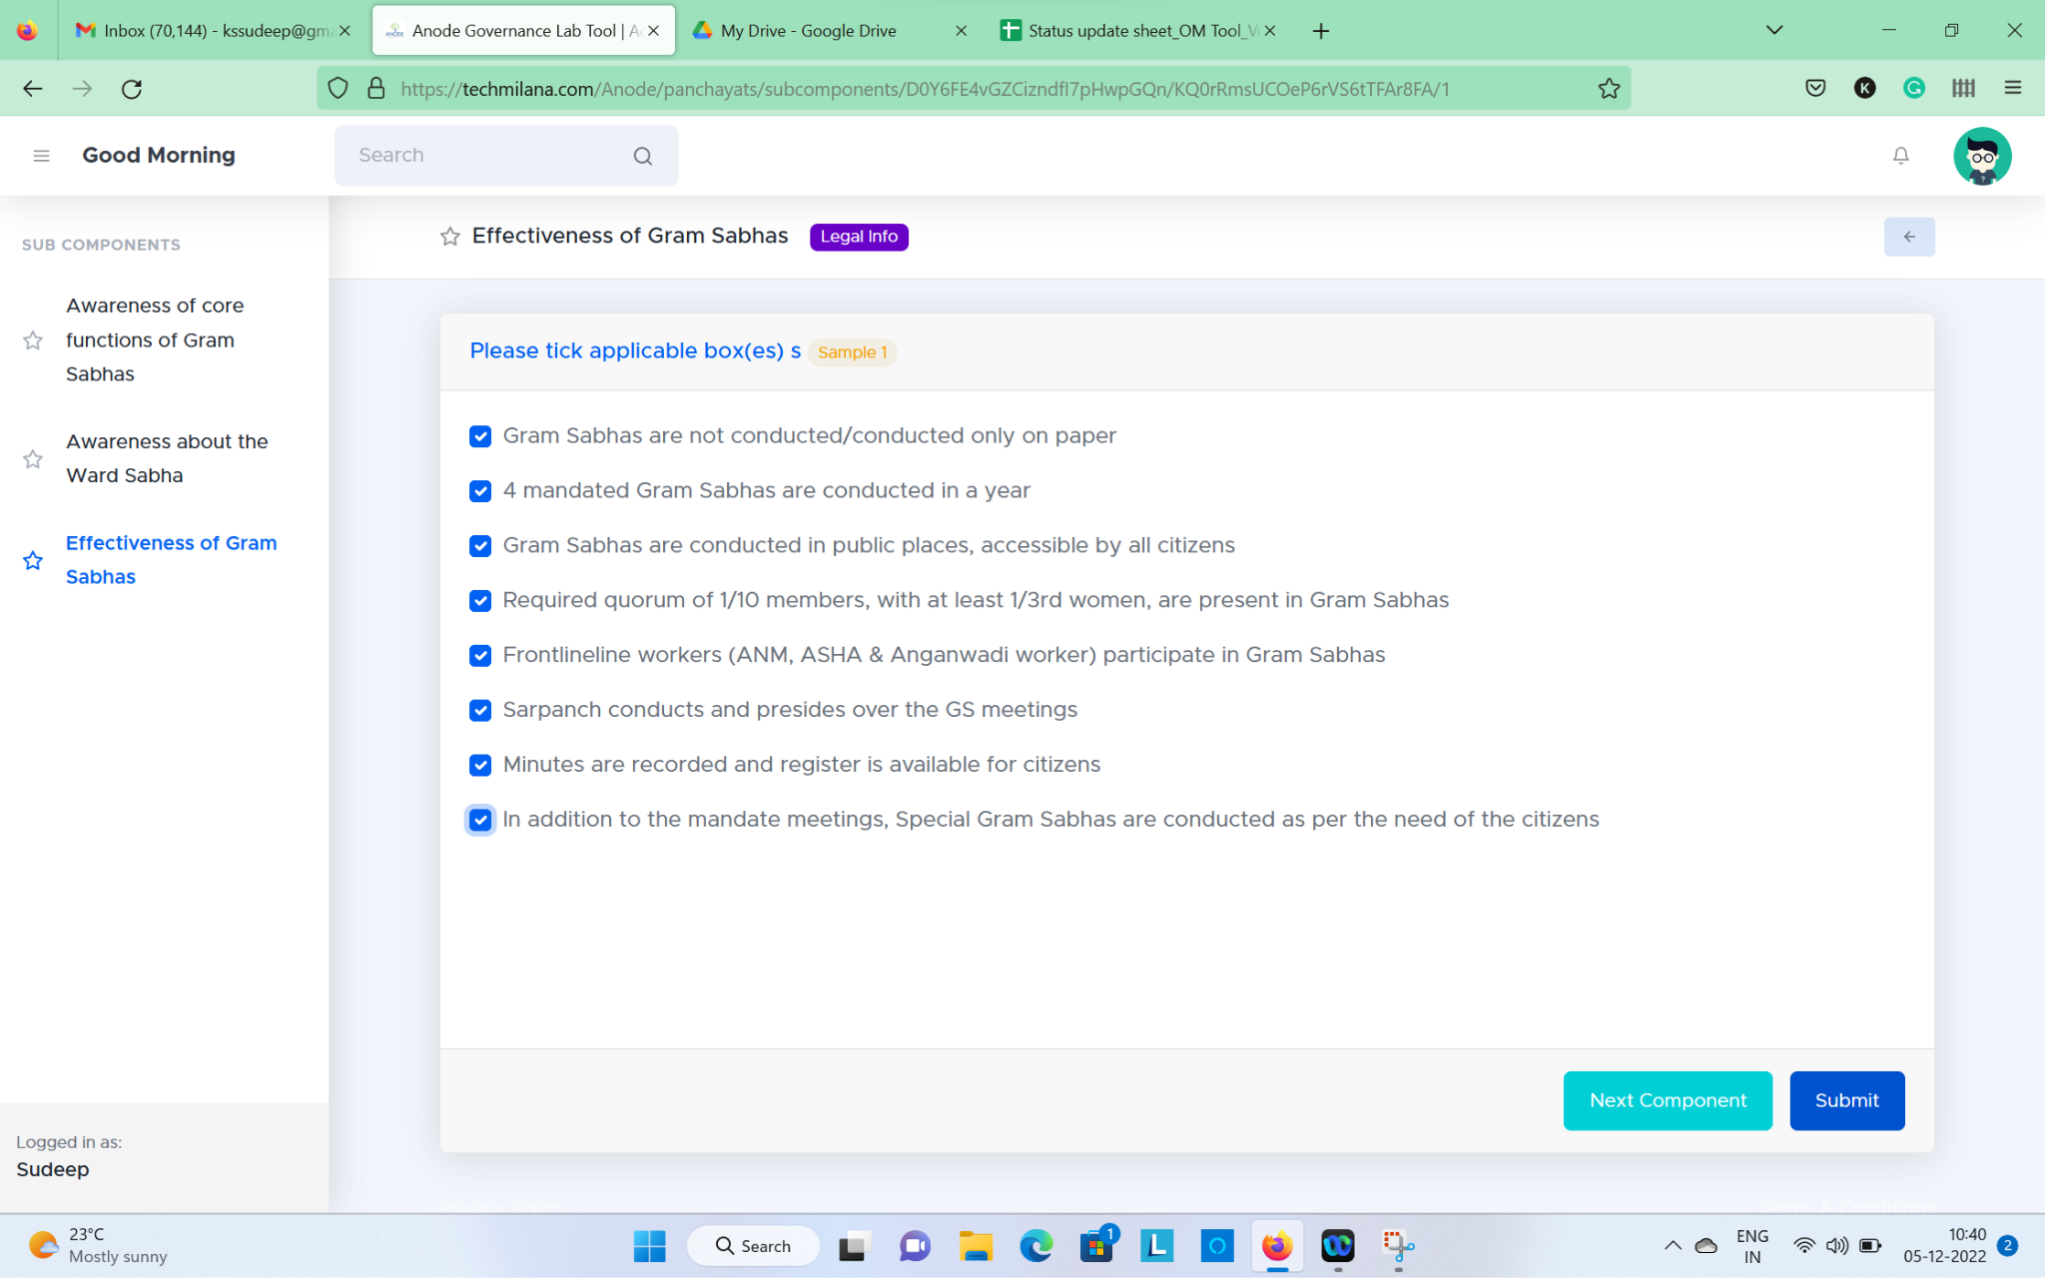 | Multiple ticks being accepted. Whereas if the first options was ticked others might have to be disabled. Please refer to Version 1. | Done
2 | GP should come between blocks and villages |  | This is done in form and not in function. When we go on to create a new GP - it is still asking for Ward and Village. The idea was to go from GP to Village and Ward. And, not the other way round - this is what is happening currently. | Done
3 | Start date and end date of the rating to be captured | Check for the user name with phone number 97391 73639 and 123456, this is not showing |  | Working Fine
4 | For last sub-component have a button to goto to next component rating screen | 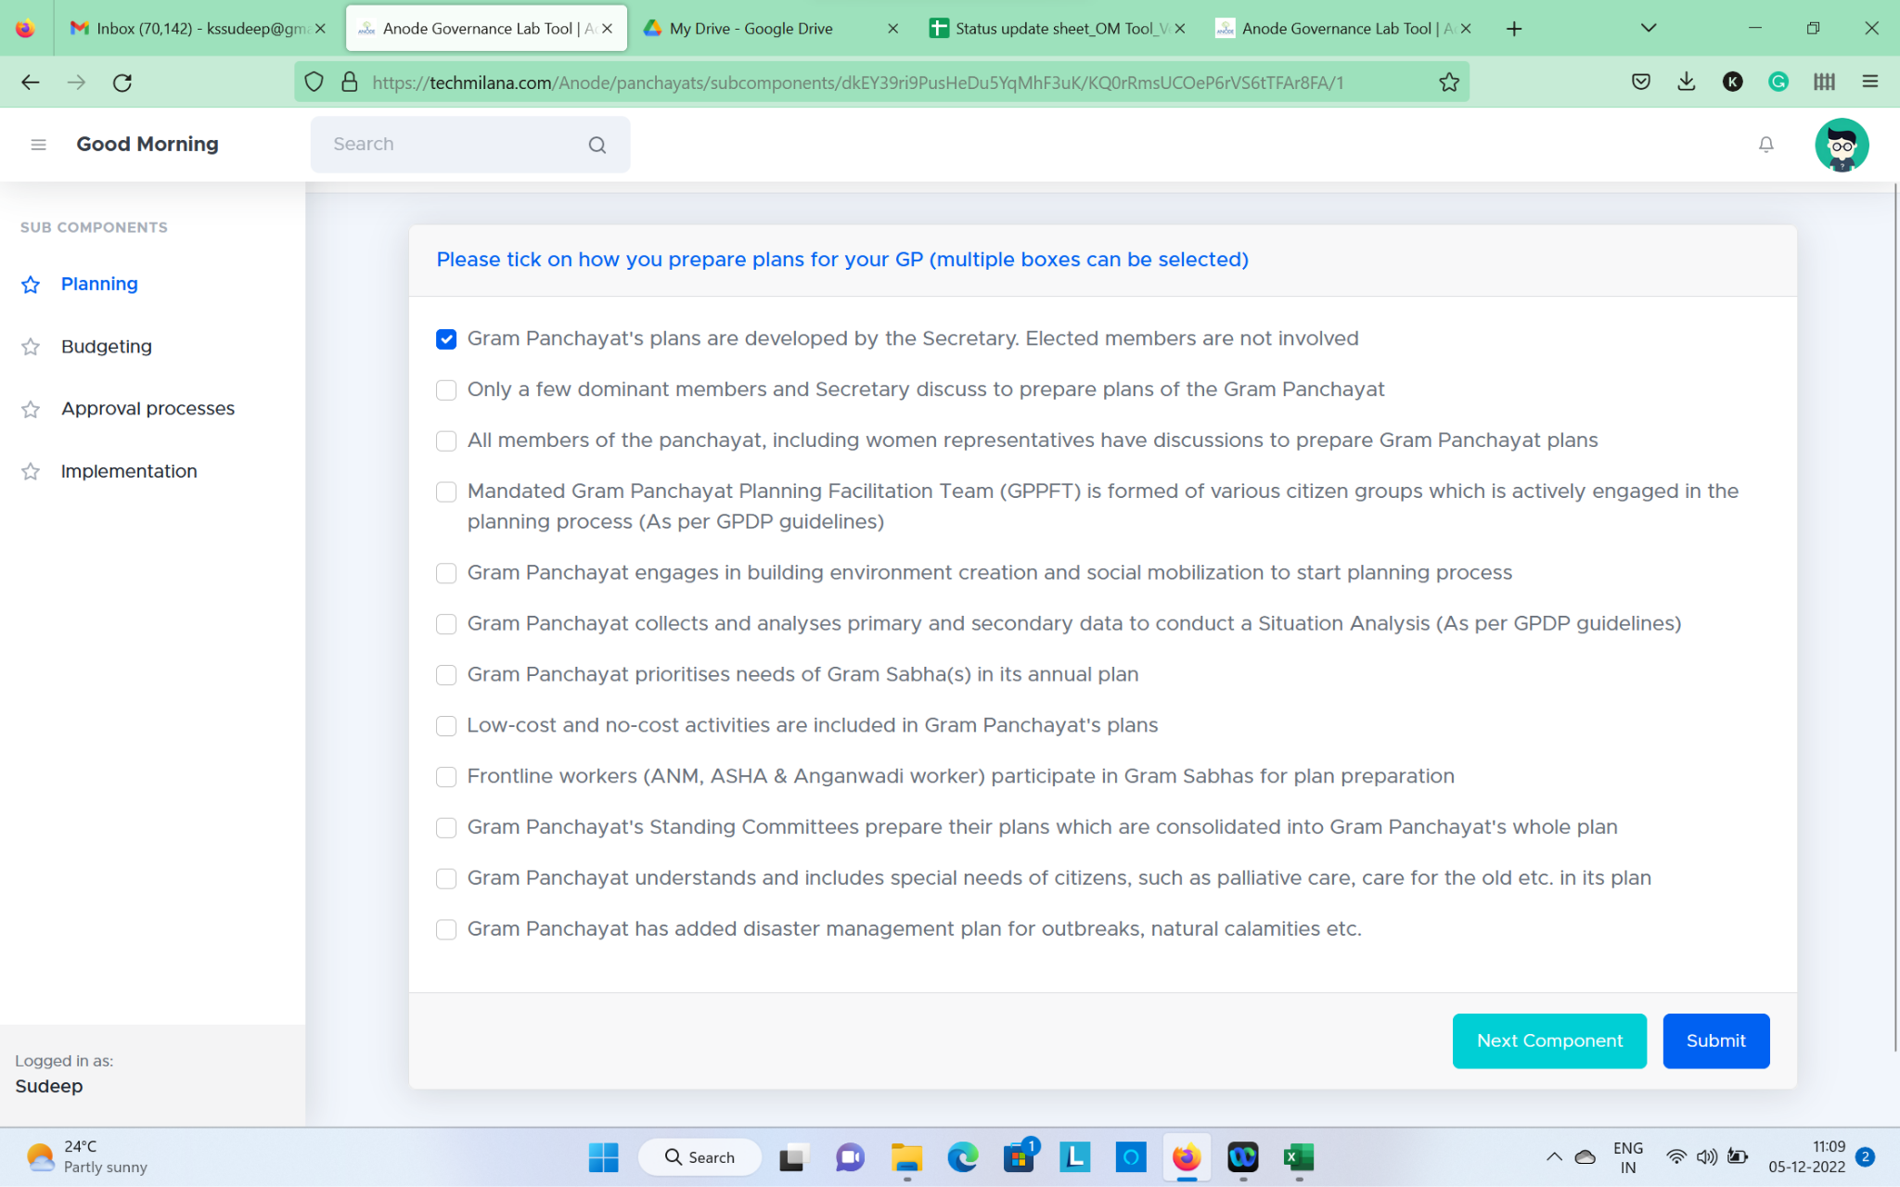 | Let us have no option selected intially. After the selection of an option is made, we can then have submit and go to next sub-component button appear. In the last sub-component of each component, we can have submit and go to next component. | Done
6 | For admin show the different reports (Inter/Intra - State, District, Block and GP) as per the Sheet 5 from the Bug tracker |  | Was unresolved and needed a discussion
7 | Password flow to be decided for the users along with forgot Password |  | Was unresolved and needed a discussion | To be Discussed with vinu
8 | Can we add links in the legal reference pop-outs. |  | Legal framework should be able to take links. Please enable rich text editor.
9 | Ease of use | 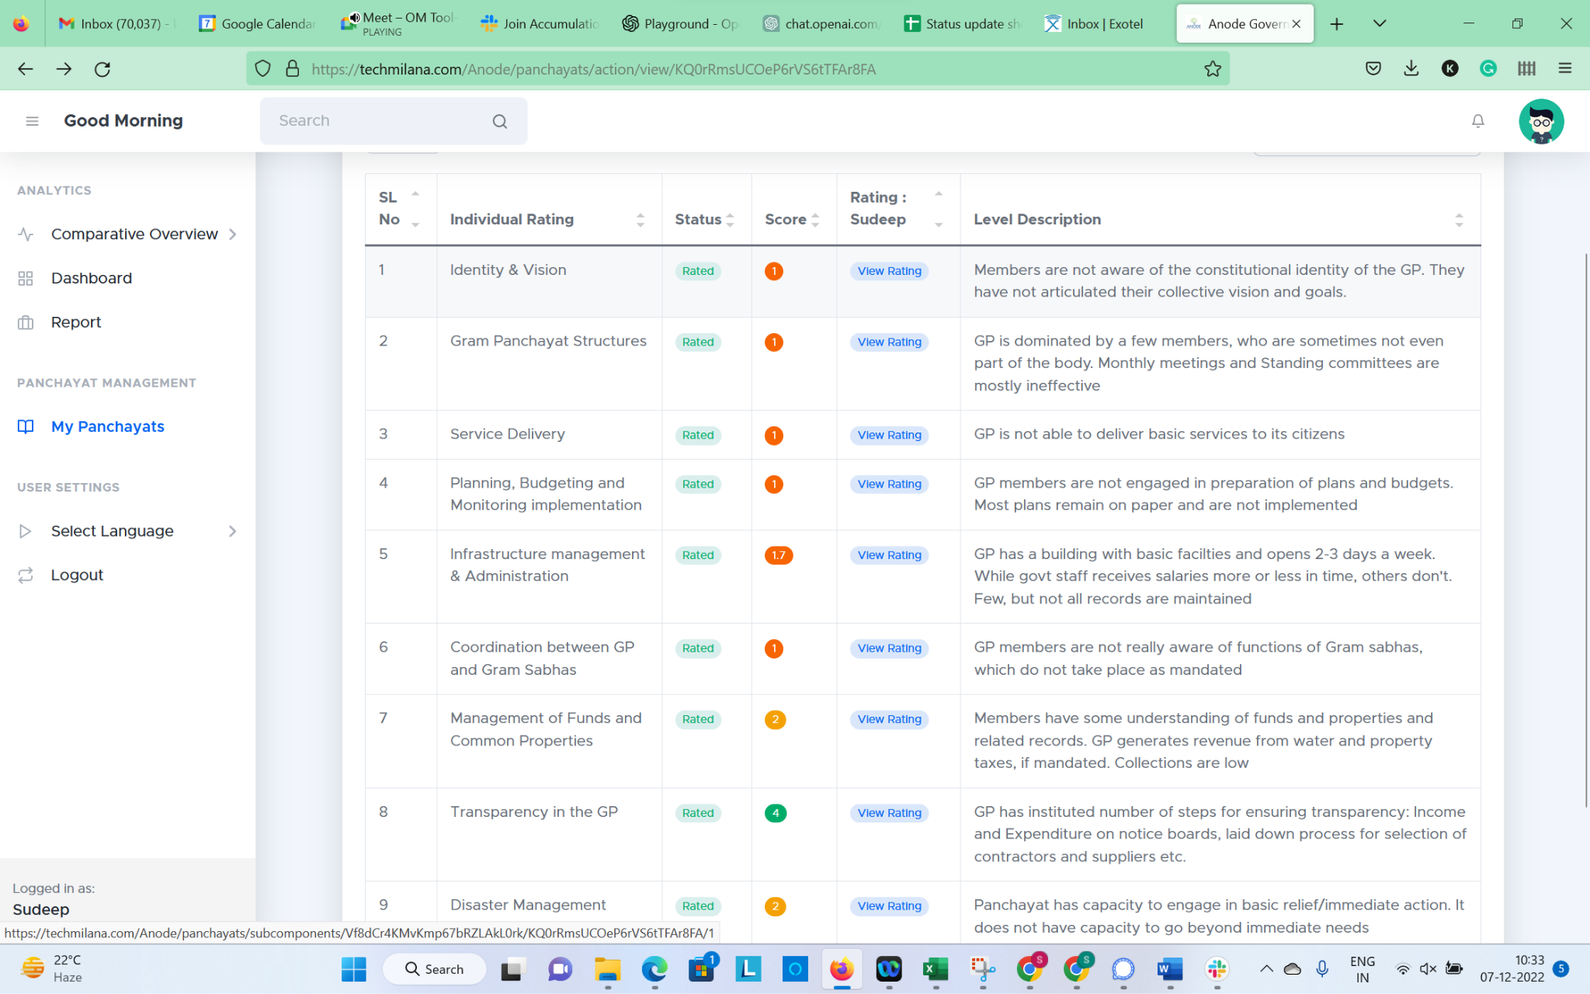 | Include view sub-component rating as an accordion. And also retain the view rating option as it is now.
10 | Consolidated scores not showing up | 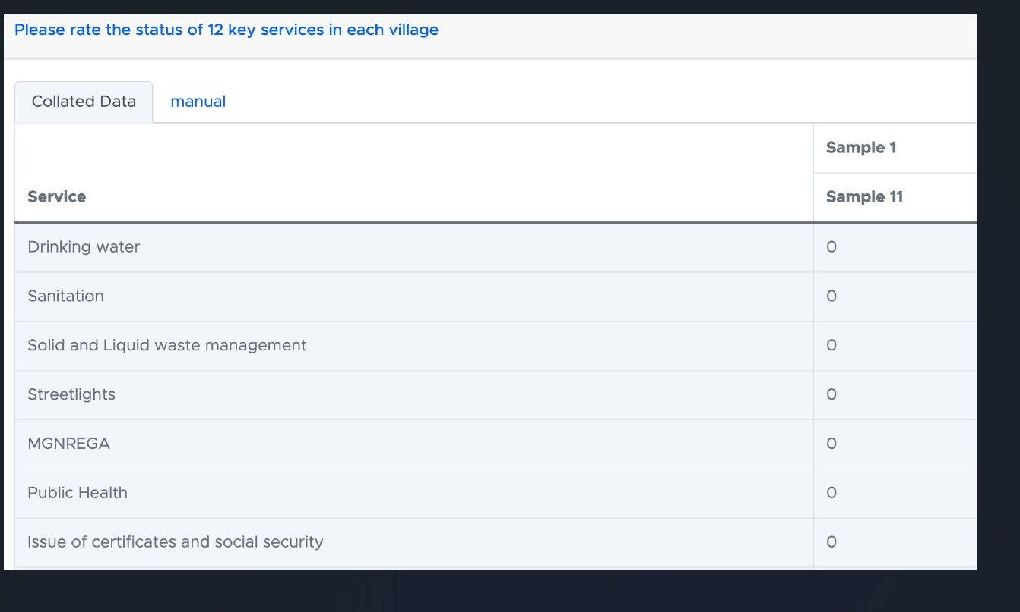 | The collated scores are not showing up here. We have 2-3 users who have done for the same GP. Please ensure that the scores are being pulled here.
11 | Tabs to be added |  | Two Tabs should be there - these tabs should give the option to agree with the aggregate individual user rating or alternatively go with the manual rating by the larger group.
12 | Calculation issue | 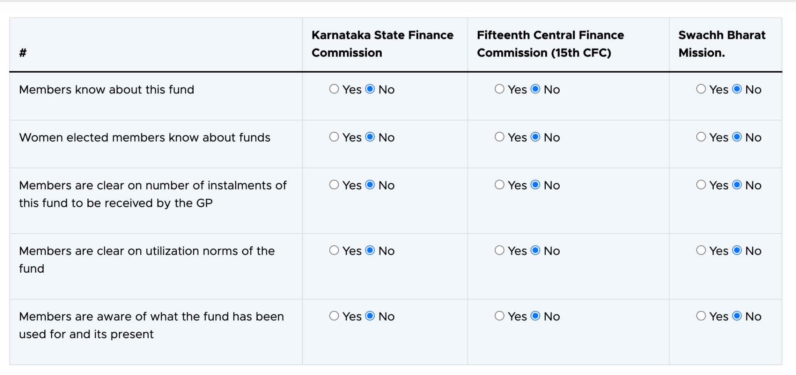 | Calculation Issue - When options - "yes" or "no" is selected - There is no final rating for the sub-component and the overall component shows as 'in process' whereas we would have completed the rating for the sub-component already.
13 | Output 1 and Output 2 are same- Please refer to V1 | Version 1 | Added on 29th
14 | In Transprerancy- Please add none of the above statement and it should reflect the other statements from the other components- Please refer to V1 | Version 1 | Added on 29th/ Email of 26th Sep
15 | Maintenance of registers- sub component is missing - Please refer to V1 | Version 1 | Added on 29th
16 | When we open any sub-component- there is pre-selected option- Please make it blank - no pre-selected option - Please | Version 1 | Added on 29th
17 | Funds Calculation- shows some error when no is selected for all options |  | Added on 29th
18 | In Group rating - Individual rating data in collated tab is not showing up for Service Delivery |  | Added on 29th
19 | If the users use the same name and different phone numbers? why does it say that this name already exists if the phone number is primary. |  | Added on 29th
20 | Do not show the ratings to the individual and group users as soon as the rating is completed |  | Added on 29th
21 | In the group rating option - the component - Management of Funds and Common Properties - still displays "Continue Rating" after rating is completed |  | Added on 29th
22 | Group Rating needs to be frozen after the group rating is completed |  | Added on 29th
23 | Group rating- Final submit button to be added once the Group rating is done and capture the date and freeze the data.
24 | Male and Female data for each component | Version 1
25 | After Creating new user, please directly take the user to My Panchayat tab |  | Added on 7th Dec

